Analysis
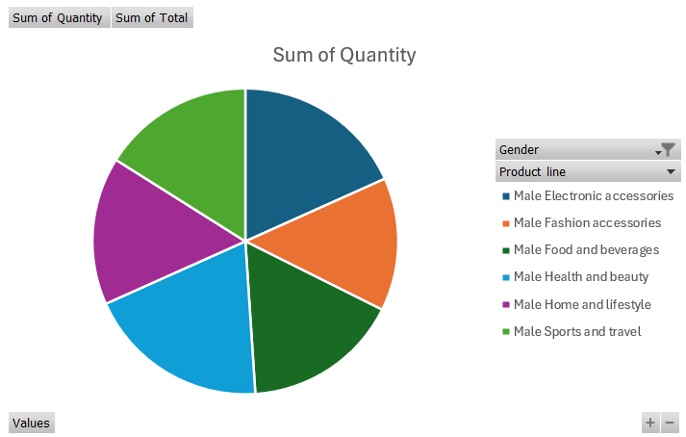
Data and Columns Explanation |  |  |  | Total Sales By Each Brach |  |  |  |  | Shopping Months by each city with Customer Type |  |  |  |  | Rate Analysis with each Branch
Invoice ID – Unique identifier for each transaction.
Branch – Store branch (A, B, or C). |  |  |  | Row Labels | Sum of Total |  |  |  | Sum of Quantity | Column Labels |  |  |  | Row Labels | Sum of Rating (rounded)
City – Location of the store (Yangon, Naypyitaw, Mandalay). |  |  |  | A | 106200.3705 |  |  |  |  | Jan | Feb | Mar | Grand Total | A | 2389.2
Customer type – Whether the customer is a "Member" or "Normal". |  |  |  | B | 106197.672 |  |  |  | Row Labels |  |  |  |  | B | 2263.6
Gender – Customer's gender (Male/Female). |  |  |  | C | 110568.7065 |  |  |  | Mandalay |  |  |  |  | C | 2319.9
Product line – Category of the purchased product . |  |  |  | Grand Total | 322966.749 |  |  |  | Member | 295 | 311 | 318 | 924 | Grand Total | 6972.7
Unit price – Price per unit of the product. |  |  |  |  |  |  |  |  | Normal | 305 | 313 | 278 | 896
Rate Analysis with each Branch
Quantity – Number of units purchased. |  |  |  |  |  |  |  |  | Naypyitaw
Tax 5% – Sales tax applied (5% of the cost). |  |  |  |  |  |  |  |  | Member | 324 | 252 | 321 | 897
Shopping Months by each city with Customer Type
 | Jan | Feb | Mar
Member | 295 | 311 | 318
Normal | 305 | 313 | 278
Member | 324 | 252 | 321
Normal | 356 | 285 | 293
Member | 345 | 275 | 344
Normal | 340 | 218 | 337
Total – Total amount paid (including tax). |  |  |  |  |  |  |  |  | Normal | 356 | 285 | 293 | 934
Date – Date of the purchase. |  |  |  |  |  |  |  |  | Yangon
Time – Time of the transaction. |  |  |  |  |  |  |  |  | Member | 345 | 275 | 344 | 964
Payment – Payment method (Cash, Credit Card, E-wallet). |  |  |  |  |  |  |  |  | Normal | 340 | 218 | 337 | 895
cogs – Cost of goods sold (before tax). |  |  |  |  |  |  |  |  | Grand Total | 1965 | 1654 | 1891 | 5510
Gross margin percentage – Always 4.76% (constant value).
Gross income – Profit earned from the transaction.
Rating – Customer's rating of their experience (1 to 10). |  |  |  | Most Sold Products |  | Products Analysis

 |  |  |  | Row Labels | Count of Product line | Row Labels | Sum of Quantity | Sum of Total
KPIS |  | Counting |  | Electronic accessories | 170 | Female
Total Profit | 322966.749 | Males | 499 | Fashion accessories | 178 | Electronic accessories | 488 | 27102.0225
Total Quantity | 5510.00 | Females | 501 | Food and beverages | 174 | Fashion accessories | 530 | 30437.4
Total cost of gods | 15379.369 |  |  | Health and beauty | 152 | Food and beverages | 514 | 33170.9175
Total Transaction | 1000 |  |  | Home and lifestyle | 160 | Health and beauty | 343 | 18560.9865
 |  |  |  | Sports and travel | 166 | Home and lifestyle | 498 | 30036.8775
 |  |  |  | Grand Total | 1000 | Sports and travel | 496 | 28574.721
Most Sold Products
 |  |  |  |  |  | Grand Total | 2869 | 167882.925

 | Sum of Quantity | Sum of Total
Electronic accessories | 488 | 27102.0225
Fashion accessories | 530 | 30437.4
Food and beverages | 514 | 33170.9175
Health and beauty | 343 | 18560.9865
Home and lifestyle | 498 | 30036.8775
Sports and travel | 496 | 28574.721

 |  |  |  |  |  |  |  |  |  |  |  |  |  | Products Trend Analysis with Quantity and Unit Price
 |  |  |  |  |  |  |  |  |  | Gender Analysis with the Payment method
 |  |  |  |  |  |  |  |  |  |  |  |  |  | Row Labels | Sum of Quantity | Sum of Unit price
 |  |  |  |  |  |  |  |  |  | Row Labels | Count of Gender |  |  | Electronic accessories | 971 | 9103.77
 |  |  |  |  |  |  |  |  |  | Female |  |  |  | Fashion accessories | 902 | 10173.35
 |  |  |  |  |  |  |  |  |  | Cash | 178 |  |  | Food and beverages | 952 | 9745.54
 |  |  |  |  |  |  |  |  |  | Credit card | 163 |  |  | Health and beauty | 854 | 8337.88
 |  |  |  |  |  |  |  |  |  | Ewallet | 160 |  |  | Home and lifestyle | 911 | 8850.71
 |  |  |  |  |  |  |  |  |  | Male |  |  |  | Sports and travel | 920 | 9460.88
 |  |  |  |  |  |  |  |  |  | Cash | 166 |  |  | Grand Total | 5510 | 55672.13
 |  |  |  |  |  |  |  |  |  | Credit card | 148
 |  |  |  |  |  |  |  |  |  | Ewallet | 185
 |  |  |  |  |  |  |  |  |  | Grand Total | 1000

Gender Analysis with the Payment method
 | Total
Cash | 178
Credit card | 163
Ewallet | 160
Cash | 166
Credit card | 148
Ewallet | 185

Dashboard
Most Sold Products
 | Total
Electronic accessories | 170
Fashion accessories | 178
Food and beverages | 174
Health and beauty | 152
Home and lifestyle | 160
Sports and travel | 166
Rate Analysis with each Branch
 | Total
A | 2389.2
B | 2263.6
C | 2319.9

Shopping Months by each city with Customer Type
 | Jan | Feb | Mar
Member | 295 | 311 | 318
Normal | 305 | 313 | 278
Member | 324 | 252 | 321
Normal | 356 | 285 | 293
Member | 345 | 275 | 344
Normal | 340 | 218 | 337
 | Sum of Quantity | Sum of Total
Electronic accessories | 488 | 27102.0225
Fashion accessories | 530 | 30437.4
Food and beverages | 514 | 33170.9175
Health and beauty | 343 | 18560.9865
Home and lifestyle | 498 | 30036.8775
Sports and travel | 496 | 28574.721

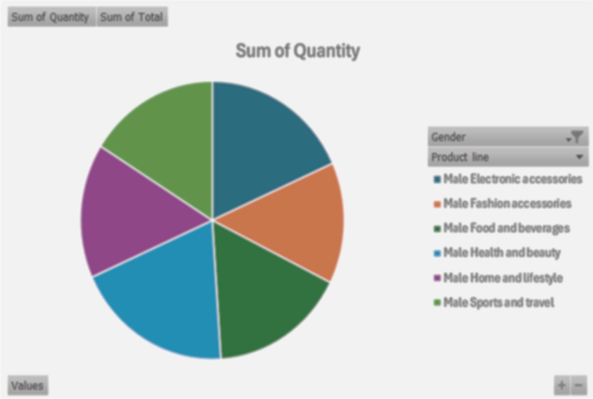

Gender Analysis with the Payment method
 | Total
Cash | 178
Credit card | 163
Ewallet | 160
Cash | 166
Credit card | 148
Ewallet | 185

